WA Specific inputs
WhatsApp-Specific Inputs (Typos, Emojis, Short Texts)
User Input | Suggested Intent/Action | Suggested Bot Reply | Actual Bot Reply | Test Purpose (Descriptive) | Pass/Fail | Notes | Dev comments | Agent response
3bhk landmrk? | Unit + Project Inquiry | 3BHKs in ASBL Landmark start at ₹1.35 Cr. Would you like layout options? | ASBL Landmark offers 3 BHK units in the following size ranges: 1. 1645-1800 Sqft: https://chatbot-img.gupshup.io/asbl/UNP-TB-S1-T1-1645-E-latest.jpg 2. 1800-2000 Sqft: https://chatbot-img.gupshup.io/asbl/unp_ta_s4_t2_1975_e_latest.jpg 3. 2000-2065 Sqft: https://chatbot-img.gupshup.io/asbl/UNP-TA-S3-T1-2065-W-latest.jpg Feel free to check these plans and let me know if you want more details or assistance! 😊 | Tests tolerance to project name typo | Pass
bro 👀 send plan for loft 1870 | Plan Request (Loft) | Sure! Sharing 1870 sq.ft. unit layout for ASBL Loft. | For the Loft property with size 1870 sqft, here is the unit plan you can view: https://chatbot-img.gupshup.io/asbl/1870-NB-East-Web.jpg If you want more information about Loft or other plans, feel free to ask! | Emoji + informal phrasing | Pass
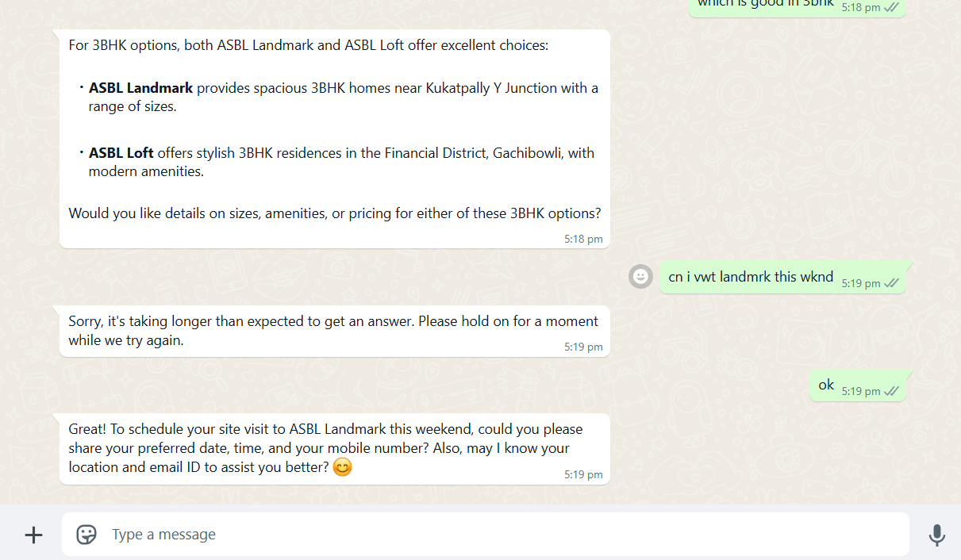
budget 1.5cr max 🫣 | Budget Filter | For ₹1.5 Cr, Landmark 1645/1740 sq.ft. or Tower A 3BHKs work well. | I understand your budget is 1.5 Cr. To help you better, may I know which property you are interested in—ASBL Landmark or ASBL Loft? Also, please share your preferred unit type or any specific requirements you have. | Emoji as part of budget message | Pass
cn i vwt landmrk this wknd | Site Visit Booking | Yes. Can I book your ASBL Landmark visit for Saturday or Sunday? | Sorry, it's taking longer than expected to get an answer. Please hold on for a moment while we try again. | Heavy typo testing with intent understood | Fail | Not Able to undertand the phrases and WA specific words. | Working | Great! To schedule your site visit to ASBL Landmark this weekend, could you please share your preferred date, time, and your mobile number? Also, may I know your location and email ID to assist you better? 😊
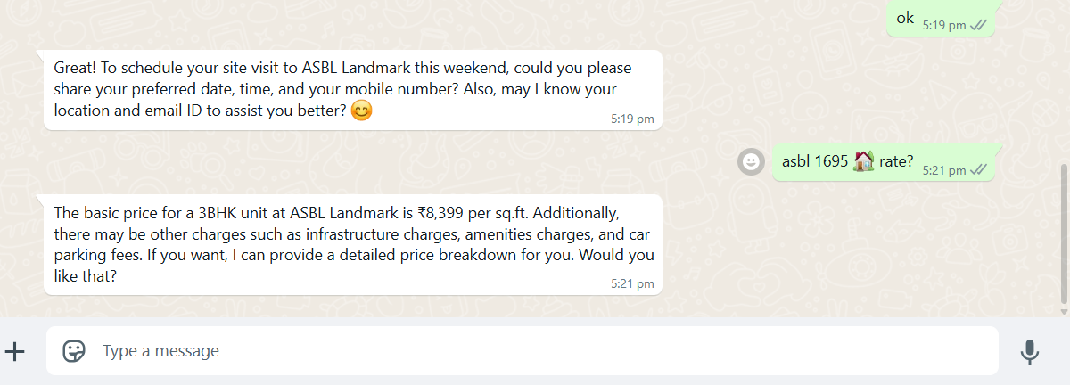
pdf pls 🙏 | Brochure Request | Sure! Sharing brochure now. | Here is the PDF containing the unit plan, tower plan, and master plan for ASBL Landmark: https://chatbot-img.gupshup.io/Landmark_unit_plan_tower_plan_master_plan.pdf Let me know if you need any more information! | Short-form + emoji as polite nudge | Pass
asbl 1695 🏡 rate? | Price Check (Loft) | 1695 sq.ft. in ASBL Loft is ₹1.69 Cr. Want the cost sheet? | It seems I don't have price information for ASBL Landmark units of size 1695 sqft. However, I can provide price details for 3 BHK, 3.5 BHK, or 4 BHK units if you specify the exact type. Would you like to know about those? | Symbol and unit mention with brand | Fail | Can not provide the information about the cost of 1695 sft. | Working | The basic price for a 3BHK unit at ASBL Landmark is ₹8,399 per sq.ft. Additionally, there may be other charges such as infrastructure charges, amenities charges, and car parking fees. If you want, I can provide a detailed price breakdown for you. Would you like that?
top flr avail? | Floor Preference Inquiry | Yes. Top floors are available in Landmark Tower C & D. Shall I share floor plans? | Could you please specify which property and unit type you are interested in for the top floor availability? This will help me provide accurate information for ASBL Landmark or ASBL Loft. | Abbreviated “floor” + intent test | Pass
gimme 😍 east facing 3.5 bhk | Orientation + Unit Type | Landmark 3.5BHK east-facing units available at ₹1.6–1.7 Cr. Want details? | For an east-facing 3.5 BHK unit at ASBL Landmark, you can view the unit plan here: https://chatbot-img.gupshup.io/asbl/unp_tb_s4_t1_2065_n_latest.jpg Would you like to schedule a site visit or get more details about this unit? | Informal + emoji style trigger | Pass
metro nearby loft? | Location Query | ASBL Loft is ~5 mins from Nanakramguda and close to ORR. | ASBL Loft is located in the Financial District, Gachibowli. The nearest metro station is the Raidurg Metro Station, which provides convenient connectivity to the area. If you want to know more about ASBL Loft or its amenities, feel free to ask! | Location + project mapping | Pass
layout 1805 in D tower pls | Layout Request | Sharing 1805 sq.ft. unit layout in Landmark Tower D. | For ASBL Landmark 3 BHK units around 1805 sqft, here is a suitable layout you can view: https://chatbot-img.gupshup.io/asbl/unp_ta_s4_t2_1975_e_latest.jpg If you need the exact layout for Tower D or more details, please let me know! | Tower + layout combined shorthand | Pass
🙋‍♂️ help me choose under 1.7cr | Price Intent + Help | Let me guide you! Landmark 3BHKs and Loft 1695 fit this budget. Want a walkthrough? | I can help you with that! ASBL Landmark offers 3 BHK, 3.5 BHK, and 4 BHK units with various sizes and price ranges. To assist you better, could you please confirm your preferred unit type (3 BHK, 3.5 BHK, or 4 BHK) and any other preferences like facing or floor? | Friendly ask with budget guidance | Pass

